ORIGINAL (2)
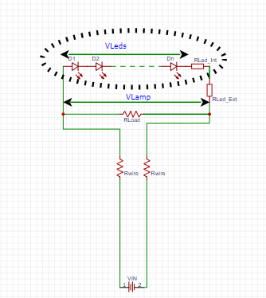
V supply [v] | 24
Is [A] | 0.23255813953
V lamp [v] | 2.5
I lamp [A] | 0.0113 | Vsingle led [Volt] | 0
P lamp [W] | 0.02825 | Vleds | 0
power wires [W] | 5 | Number of leds | 0
R wire [Ω] | 46.225 | Rleds_Int[Ohm] | 8.5
R LOAD [Ω] | 11.29901935
P load [W]] | 0.55314534884 | Rleds_Ext[Ohm] | 0
 |  | R(leds)Total [Ohm] | 8.5
 |  | RLoad[Ohm] | 10000000000.0
 |  | R_Wire[Ohm] | 3.4 | Vin | 24
 |  | Vin[Volt] | 20 | Vref | 4.2
 |  | RRR | 1.53E+11 | R1 | 31818.181818
 |  |  |  | R2 | 150000
 |  | VLamp[Volt] | 11.11
 |  | ILed[Amp] | 1.307
 |  | Pleds[Watt] | 0.0000

 |  | PLoad[Watt] | 0.00
 |  | PWire[Watt] | 5.81
 |  | PR_Total | 14.5243

 |  | Iload [Amp] | 0.000
 |  | I[Amp] | 1.307

 |  | V_Wires[Volt] | 8.89

